GUI
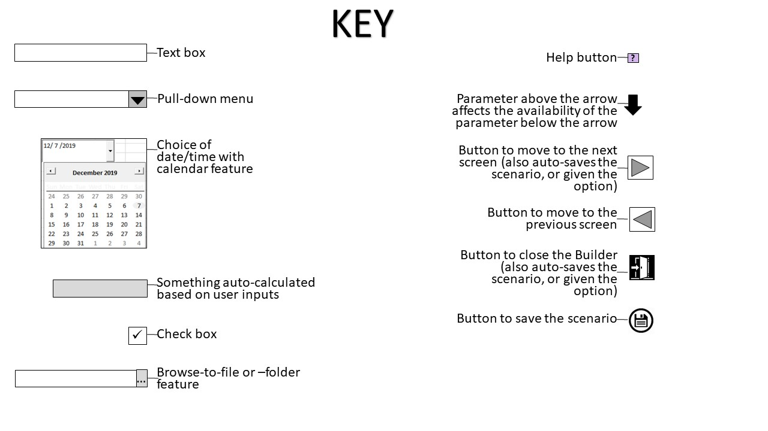

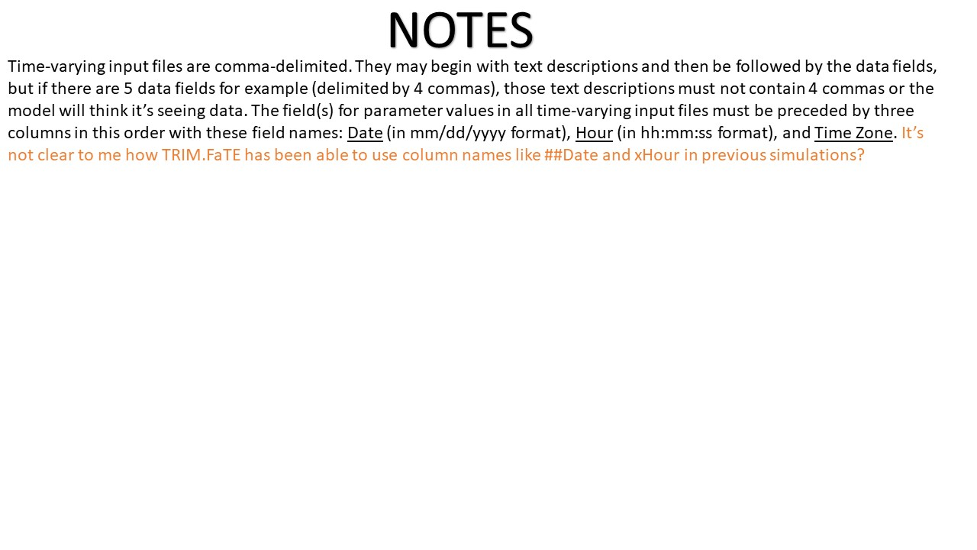

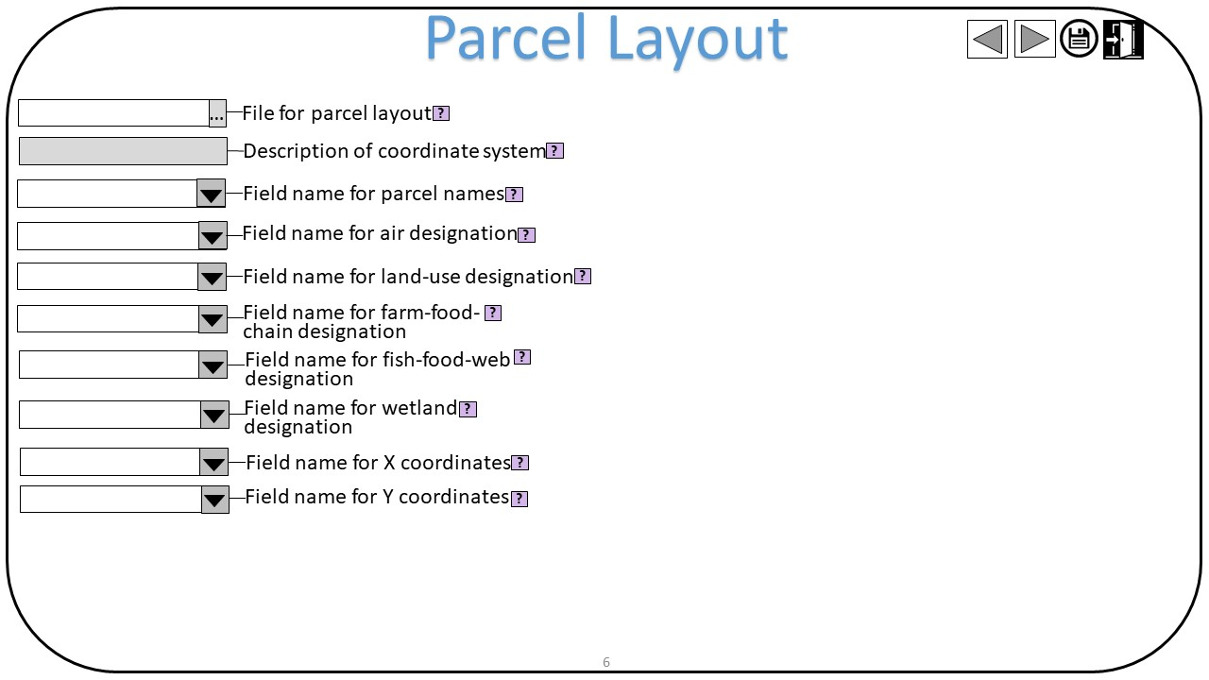
GUI Screen 6: | Parcel Layout Development

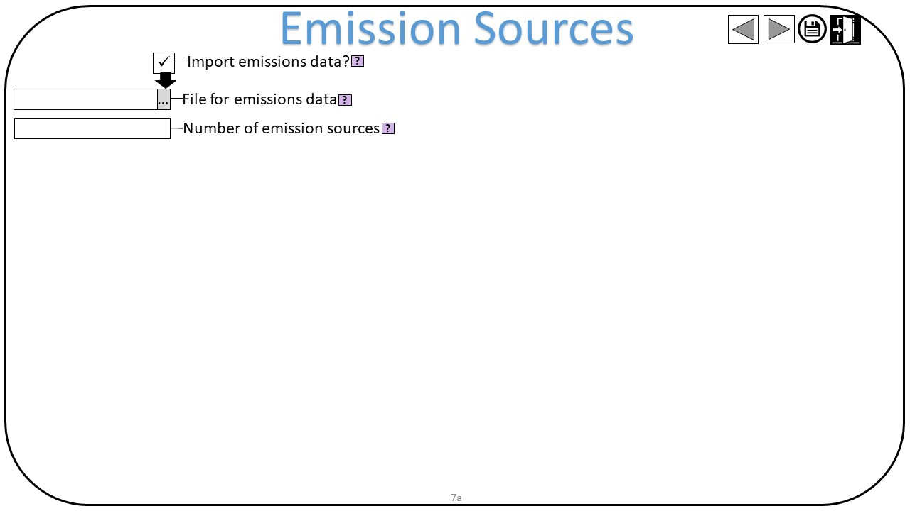
GUI Screen 7a: | Emission Sources Import

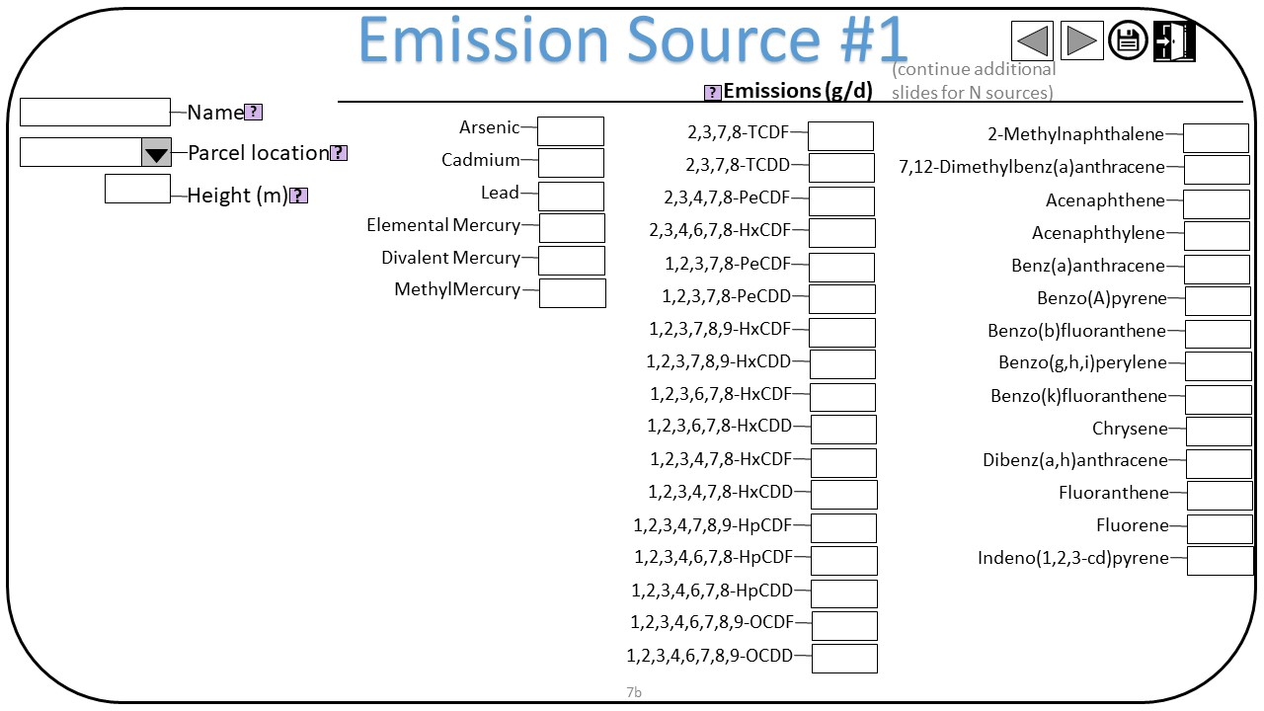
GUI Screen 7b: | Emission Sources Specification

Plants
Parameter | Named range | Value | Unit | Reference | Primary? | Dependent Input | Relevant Function | TRIM Input File Name (Primary Input) | TRIM Syntax | Note: | Chris Note 1 (purpose of parameter): | Chris Note 2 (change in parameter?): | Chris Note 3 (GUI Implementation): | Chris Note 4 (GUI Help Note):
Composite | __VBA__first_composite_plant_compartment | Grasses/Herbs | N/A | N/A | No | PlantTypes composite_plant_compartments | Compartments(); Plants() | Compartments.txt | CompositeCompartment: Grasses/Herbs
Components | __VBA__first_component_plant_compartment | Leaf - Grasses/Herbs | N/A | N/A | No | N/A | N/A | Properties.txt | Compartment: Leaf - Grasses/Herbs in Grasses/Herbs in SurfSoil_E1

These just define the components (leaf, leaf particle, stem, root) of each composite plant compartment (coniferous forest, deciduous forest, agriculture - general, grasses/herbs). This must match the TRIM.FaTE library, and thus is not expected to change without substantial consideration. Therefore, I suggest these be in the Builder as defaults which cannot change (at least by a non-developer).
"Grasses/Herbs":
Leaf - Grasses/Herbs
Leaf Particle - Grasses/Herbs
Root - Grasses/Herbs
Stem - Grasses/Herbs
"Agriculture - General":
Leaf - Agriculture - General
Leaf Particle - Agriculture - General
Root - Agriculture - General
Stem - Agriculture - General
"Coniferous Forest":
Leaf - Coniferous Forest
Leaf Particle - Coniferous Forest
"Deciduous Forest":
Leaf - Deciduous Forest
Leaf Particle - Deciduous Forest

